Sheet1
Bug ID | #P_4
Tester | Luu Dieu Co/Tran Hoang Chuong | Severity | Low
Date (submitted) | 20/5/2019
Title | Wrong format when sending record
Bug Description |  | Screenshot
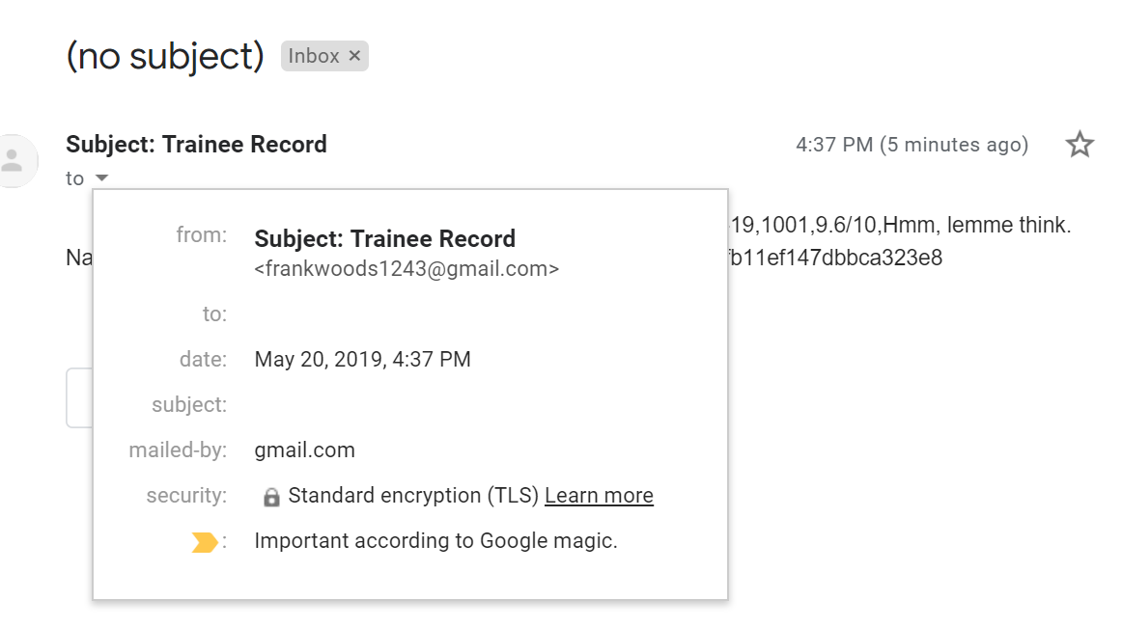
Summary | The subject is in incorrect format, it got written along with the sender email name, the record was still sent successfully
Platform | Windows 10 10.0.17763 Build 17763
Integrated Development Environment (IDE) | Pycharm 2019.1.1
Notes
Step-by-step Description: 1) Enter email sender 2) Enter email receiver 3) Enter email password 4) Loading 5) In the inbox of receiver, the subject is written with sender email name

 |  | Solution
 |  | No need to put in the subject of inbox

